Sheet1
Name | Rarity | Description | Attributes | Species Learnset | World Ability Learnset | Special Mechanics | Base Stats |  |  |  |  |  |  |  |  | Profession Stats |  |  |  | Main Persistent Game World Stats |  |  |  |  |  |  |  | Tags and Attributes | Available Forms | Alternate Mode Abilities | Acquisition Mechanics | Images/Sketches | Notes
 |  |  |  |  |  |  | Health | Attack | Magic | Intelligence | Dexterity | Defense | Resilience | Speed | Skill | Creativity | Productivity | Sensing | Technical | Antion | Tyrios | [] | [] | Wish | Lore | Knowledge | Dyus
Exilion | Legendary | Great dragon deity. Ancestor of all dragons, and the greatest of them all |  | Soul of Exilion / | Form Shifter Legendary Catch booster Loot Box Species shifter Event Hunter Danaus Ore Miner Collectible Trading Card Game Crafter |  | 200 | 200 | 400 | 400 | 200 | 250 | 350 | 200 | 300
Eraeden |  | The creator god. |  |  | All of them |  | 1000 | 1000 | 1000 | 1000 | 1000 | 1000 | 1000 | 1000 | 1000 | 1000 | 1000 | 1000 | 1000 | 1000 | 1000 | 1000 | 1000 | 1000 | 1000 | 1000 | 1000 | [Creator], [Deity], [Omniscience], [Universe], [Wish] | Genesis, sleeping | [Civ-builder]::[Rare Collector Trader]: { [something to do with quests/trading for rare items in major trade hubs; gives an advantage in trading for and acquiring special rare items and collectibles or other highly desirable items ]} / [Civ-builder]::[Tyraios Crafter]: { } / | Event Distributions:
Dracolith |  | A dragon of stone and metal. |  |  |  |  | 3
Infernus |  | Elemental fire demon. Can fuse with magma and use it to reshape himself into a great being. |  |  |  |  |  | 147 | 270 | 165
Megasaur |  | Long necked sauropod dinosaur/ |  |  |  |  | 300 | 295 | 30 | 40 | 75 | 200 | 100 | 43 | 38
Valrake
Vastel
Serangel |  | Great winged angelic being
Angryph |  | Gryphon
Soliton
Eldavion
Astralon |  | Wish granting angel of the stars. |  |  |  |  |  |  |  |  |  |  |  |  |  |  |  |  |  |  |  |  |  |  |  |  |  |  |  | [Civ-builder]::[Tyraios Crafter]: { }
Karkaron
Death Saurer |  | Giant machine in the shape of a theorpod like Tyrannosaurus Rex but with much larger arms. Capable of unparalleled destruction.
Cardanus |  | A small elf-sprite that loves to collect things. |  |  |  |  |  |  |  |  |  |  |  |  |  |  |  |  |  |  |  |  |  |  |  |  |  |  |  | [Civ-builder]::[Rare Collector Trader]: { [something to do with quests/trading for rare items in major trade hubs ]}
Exarion |  | Armored warrior of light.
Rogor |  | Bulky, muscular ogre that likes to wield a club.
Citria |  | A creature with many forms in the shape of various fruits.
Slyther |  | A snake that likes to sneak up on its pray, wrap them, and swallow them whole.
Mearas |  | Great horse. |  |  |  |  |  |  |  |  |  |  |  |  |  |  |  |  |  |  |  |  |  |  |  |  |  |  |  |  |  | 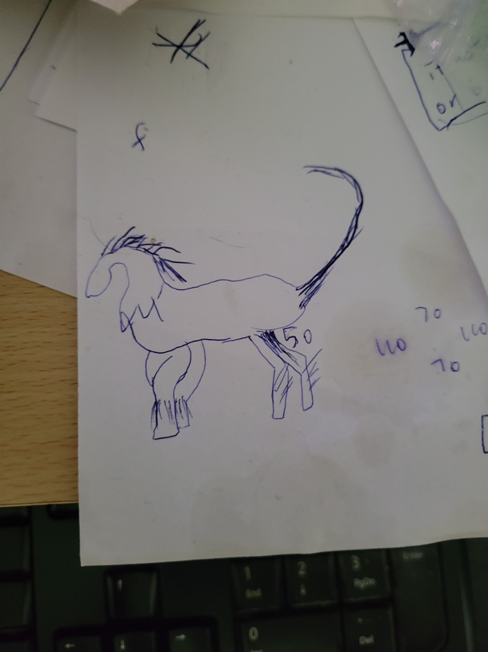
Vacuon
Encaladus
Globulus |  | An amorphous blob made of a viscous, jelly-like substance. It envelopes its prey in a large glob of the substance making up its body in order to precess, digest, and absorb them and take their powers for itself.
Caraeus |  | A creature with several variants that can gain some benefit from other monsters |  |  |  | Commander form: Can gain control of another monster and enter inside it. While inside, Caraeus is immune from all effects and damage until its body is defeated. |  |  |  |  |  |  |  |  |  |  |  |  |  |  |  |  |  |  |  |  |  |  |  |  |  |  | - ideas: give it moves that allow it to manipulate others, or moves that don't do any damage but progress an alternate win condition which it can do safely while its body is still up.

